Section 4
Please show how you manage to plot the graph if you are going to investigate the distribution in a graphic manner.
1、open the origin
3、select the data
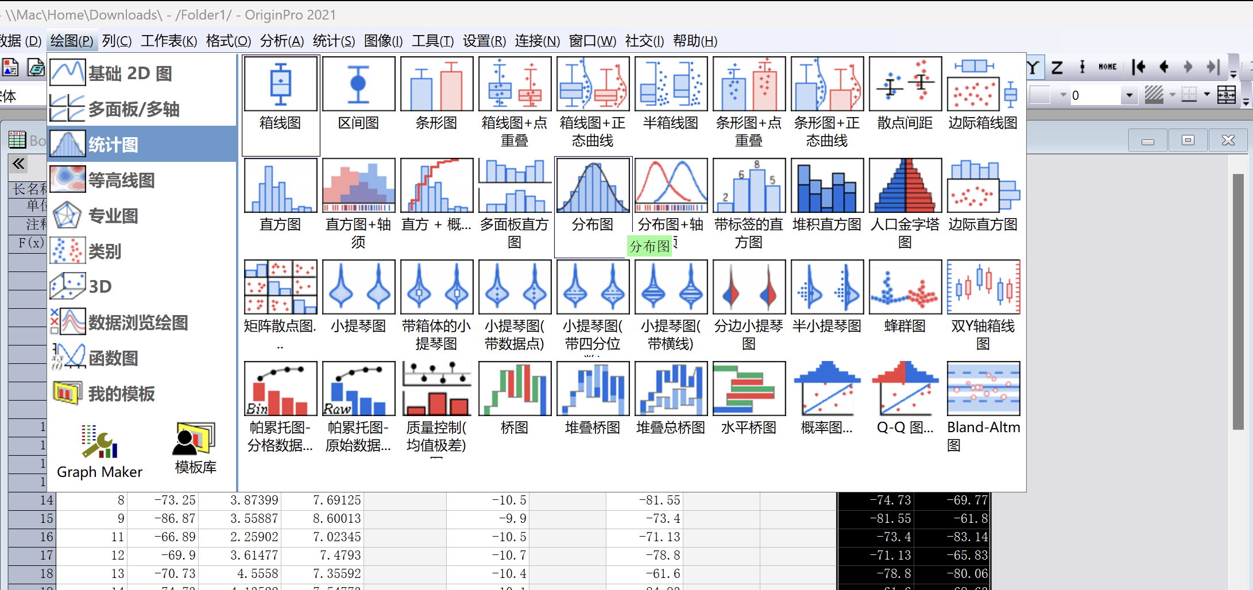
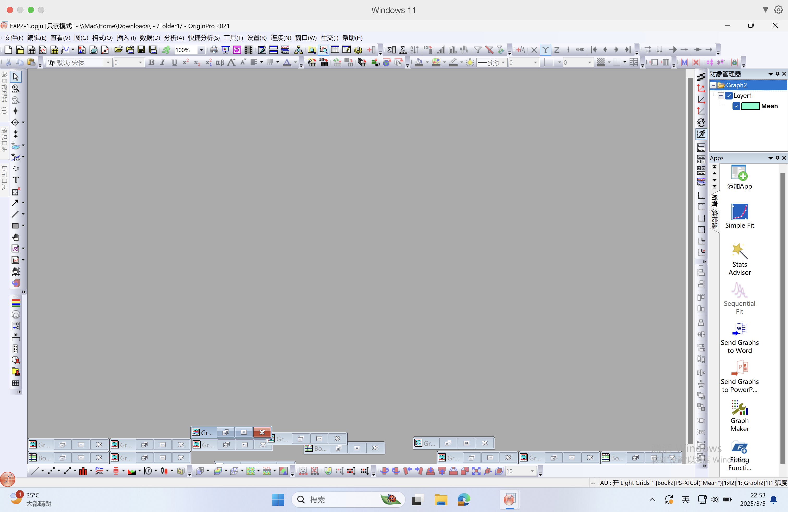
PS-X |  | PS-Y
-77 | Mean | -78 | Mean
-72 | -71 | -75 | -73
-68 | SD | -64 | SD
-88 | 7.22 | -71 | 7.54
-70 |  | -79
-66 |  | -63
-54 |  | -71
-73 |  | -73
-87 |  | -69
-67 |  | -73
-70 |  | -71
-71 |  | -70
-75 |  | -70
-82 |  | -62
-73 |  | -83
-71 |  | -66
-79 |  | -80
4、bin=3.3logn
PS-X=5.35
PS-Y=5.42
-62 |  | -69
2、select the data
-85 |  | -77
-72 |  | -76
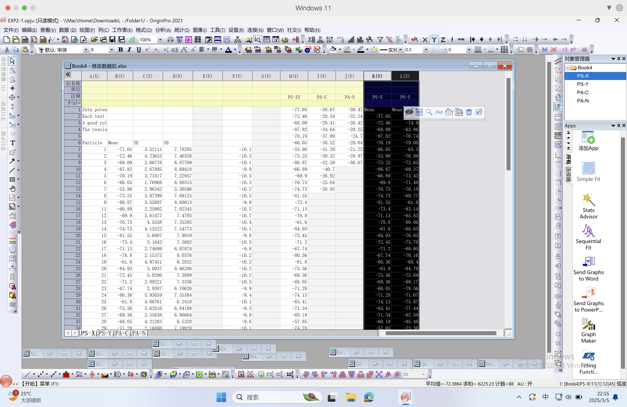
-71 |  | -69
-68 |  | -70
-80 |  | -68
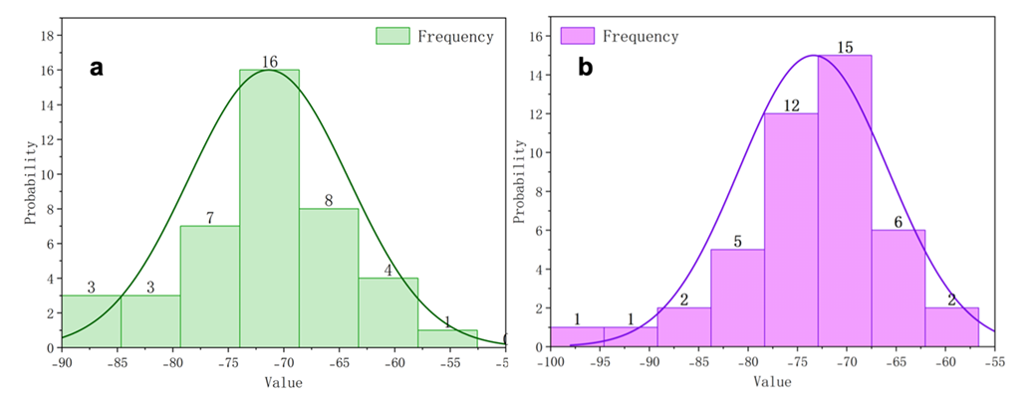
-62 |  | -85
-74 |  | -76
-69 |  | -69
-68 |  | -80
-71 |  | -71
-74 |  | -76
-65 |  | -77
-71 |  | -63
-60 |  | -95
-58 |  | -73
-75 |  | -72
-69 |  | -78
-71 |  | -71
-81 |  | -66
-64 |  | -64
-73 |  | -85
-74 |  | -94
-71 |  | -80
-66 |  | -62
 |  | -75
 |  | -69

Section 5
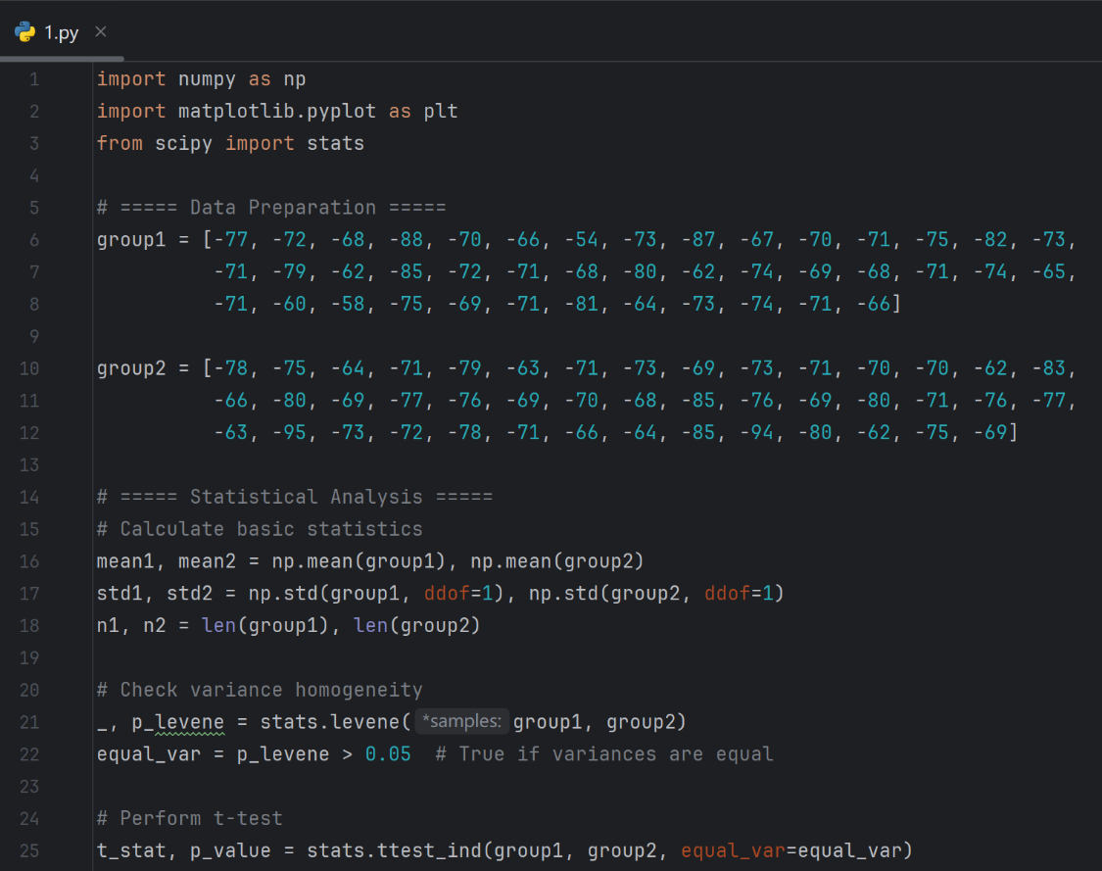
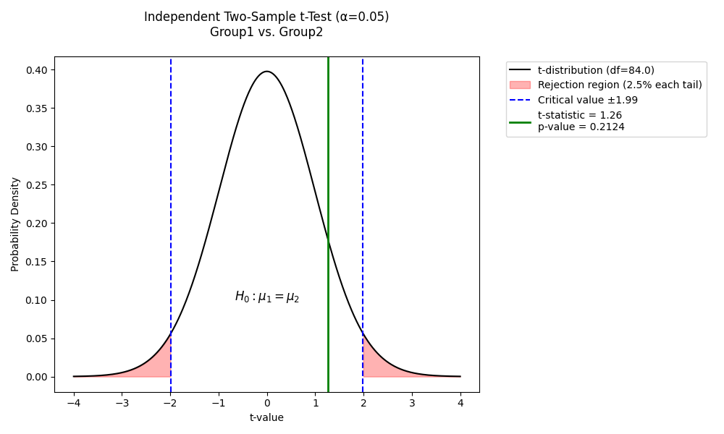
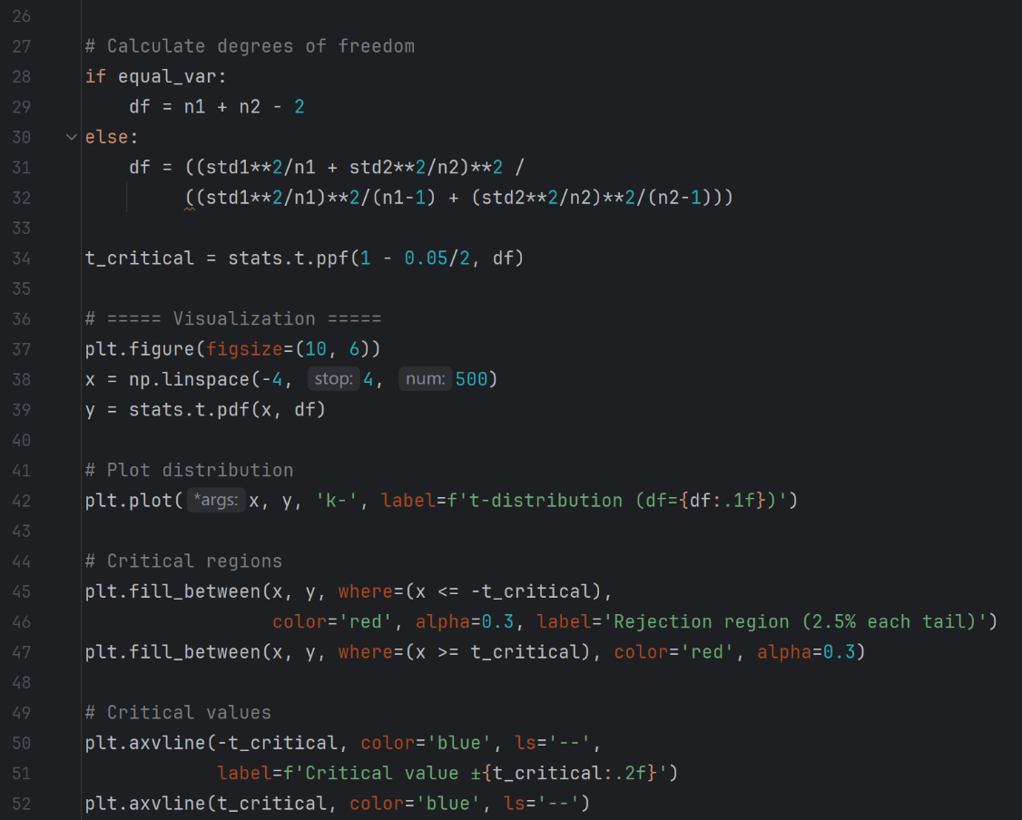
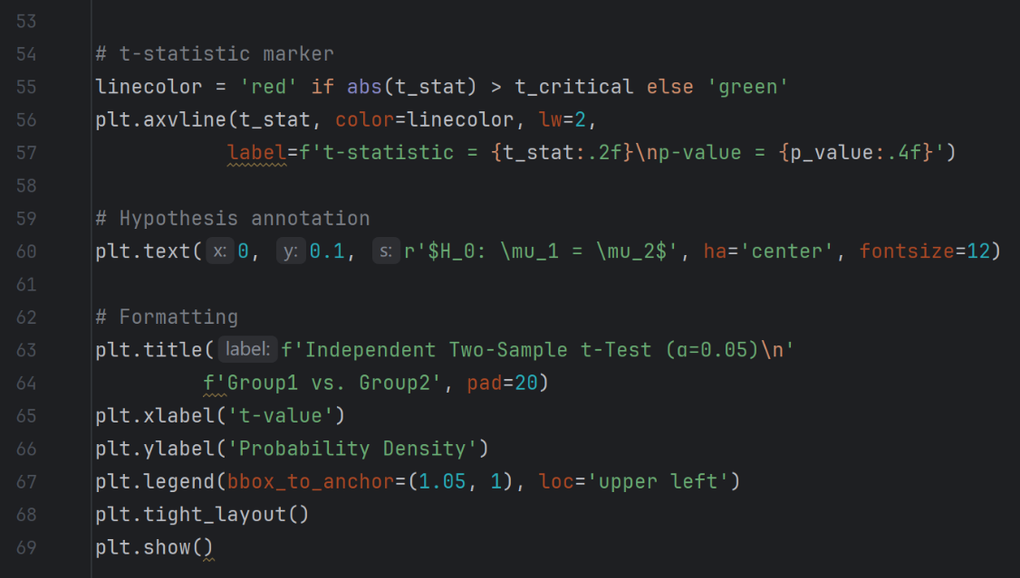
Include the data treat ment process and how you plot the graph to make the comparision if the data is comparable. Do not just paste a graph as picture here.

Section 6
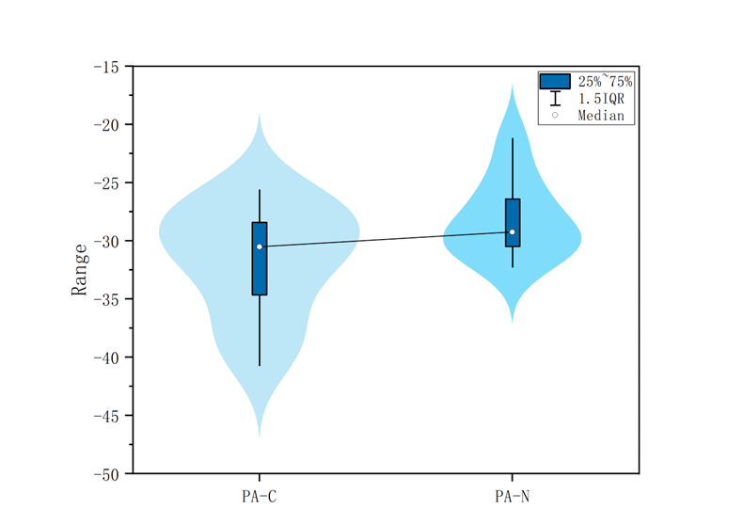
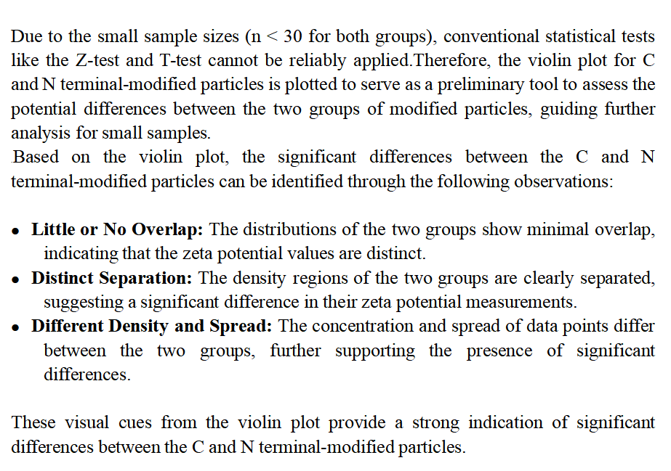
Include the data treat ment process and how you plot the graph to make the comparision if the data is comparable. Do not just paste a graph as picture here.

Section 7
Include the data treat ment process and how you plot the graph to make the comparision if the data is comparable. Do not just paste a graph as picture here.
PS-X | PS-Y
-77 | -78
-72 | -75 |  | Mean | SD | n
-68 | -64 | Unmodified particles - X and Y | -72 | —— | ——
-88 | -71 | C modified particles | -32 | 4.82 | 13
-70 | -79 | N modified particles | -28 | 3.46 | 9
-66 | -63
-54 | -71
-73 | -73
-87 | -69
-67 | -73
-70 | -71 |  | z
-71 | -70 | For C modified particles | 29.921587348
-75 | -70 | For N modified particles | 38.150289017
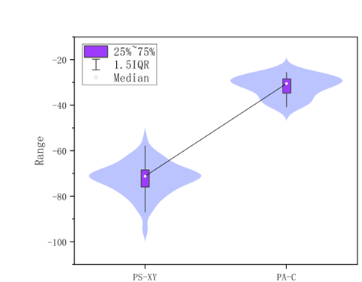
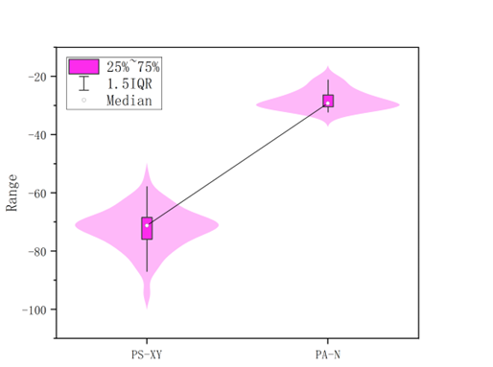
-82 | -62
-73 | -83
-71 | -66
-79 | -80
-62 | -69
-85 | -77
-72 | -76
-71 | -69
-68 | -70
-80 | -68
-62 | -85
-74 | -76
-69 | -69
-68 | -80
-71 | -71
-74 | -76
-65 | -77
-71 | -63
-60 | -95
-58 | -73
-75 | -72
-69 | -78
-71 | -71
-81 | -66
-64 | -64
-73 | -85
-74 | -94
-71 | -80
-66 | -62
 | -75
 | -69

